TEDB Edition 40
Diesel fuel is taxed heavily in the European countries shown here. The U.S. diesel fuel tax share is the lowest of the listed countries.

Figure 11.3. Diesel Prices for Selected Countries, 1990 and 2019
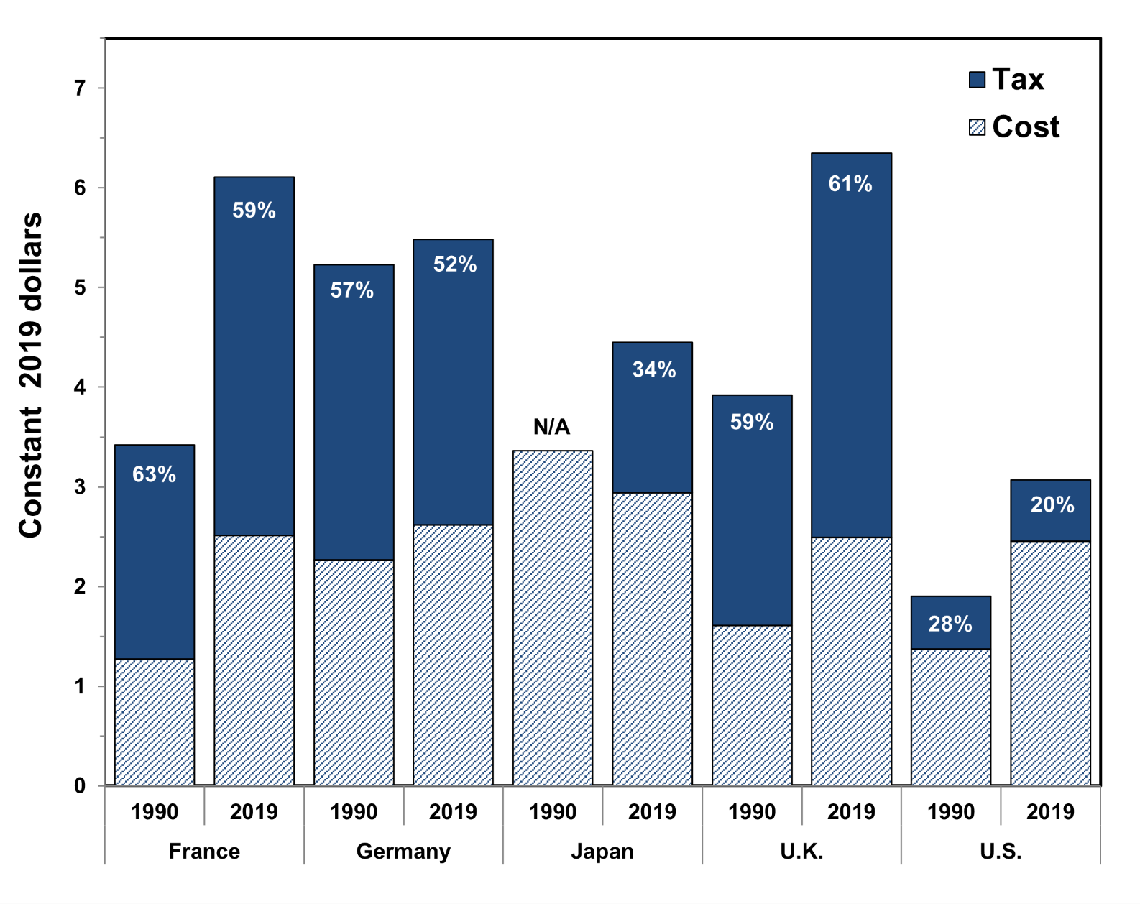

 | (Constant 2019 dollars)
 | France |  | Germany |  | Japan |  | United Kingtom |  | United States
 | 1990 | 2019 | 1990 | 2019 | 1990 | 2019 | 1990 | 2019 | 1990 | 2019
Total Price | 3.42 | 5.99 | 5.23 | 5.49 | 3.36 | 4.52 | 3.92 | 6.14 | 1.90 | 3.18
Percent Tax | 62.8% | 59.9% | 56.6% | 55.0% | 0.0% | 35.3% | 59.0% | 64.1% | 27.9% | 20.2%

Note: Data for Canada are not available.

Source:
1990‒2018: International Energy Agency, Monthly Oil Price Statistics, April 2019, Paris, France, 2019. (Additional resources: www.iea.org)

2019: Organization for Economic Co-operation and Development (OECD) iLibrary, Consumption Tax Trends 2020 : VAT/GST and Excise Rates, Trends and Policy Issues, 2020.

